ECS SMD CRYSTAL PART BUILDER
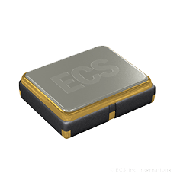
Example: P/N ECS-160-20-5PX-TR (STD P/N)
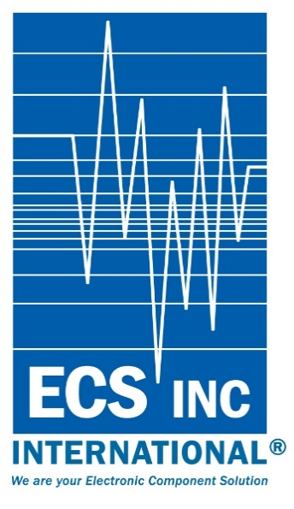
 |  | ECS SMD CRYSTAL PART NUMBER BUILDER

Example: P/N ECS-160-20-5PX-ADN-TR (Custom P/N)

FW3
Select Part Series
FW2
Select Load Capacitance
FW1
Select Frequency
FW6
Frequency Tolerance
FW7
Frequency Stability
FW8
Operating Temp.
FW9
Blank = Bulk
TR = Tape & Reel

20 = 20 pF
S = Series
ECS-2236Q
Once the series has been selected, the Data-Sheet is available by clicking the CLICK FOR DATA SHEET link next to the created part number below. Q signifies AEC-Q200
25.000MHz = 250
Developed Frequencies available on the data-sheet
Blank = Standard
A = 25ppm
J = 20ppm
R = 15ppm
C = 10ppm
Blank = Standard
D = 100ppm
E = 50ppm
G = 30ppm
H = 25ppm
T = 20ppm
W = 15ppm
K = 10ppm
Z = 9PPM (33B) ONLY
Blank = Standard
L = -10 ~ +70°C
M= -20 ~ +70°C
Y = -30 ~ +85°C
N = -40 ~ +85°C
P = -40 ~ +105°C
S = -40 ~ +125°C
U = -55 ~ +125°C
BLANK = BULK
TR = Tape & Reel

 |  |  |  |  |  |  |  |  | RELEASED 4-2018
Part Number Result: |  |  | ECS-192-8-20A-CWN-TR |  |  |  | CLICK FOR DATA SHEET
Available Packages by Series
1.2 X 1.0 | 1.6 X 1.2 |  | 2.0 X 1.6 | 5.0 X 3.2 | 7.0 X 5.0 | 9.0 X 3.2 |  | 11.4 X 4.7 | 11.8 X 5.5
ECX-1048 (48) | ECX-1247Q (47Q) AECQ |  | ECX-1637Q (37Q) AECQ | ECX-53BQZ (30BQZ) AECQ | CSM-8A (20A) | ECS-3X9X (3X9X) |  | CSM-7SSX (5PVX) | CSM-12 (18)
ECX-1048B (48B) | ECX-1247-JTN (47) |  | ECX-1637 (37) | ECX-53B (30B) 4PAD | CSM-8M (20BM) | 10.5 X 3.2 |  | CSM-7X 4.3H (5PX) | 12.4 X 4.7
 |  |  |  | ECX-53 (30) 2 PAD | CSM-8M (20BQ) AECQ | ECS-3X10X (10X) |  | CSM-7X 3.2H (5PLX) | ECX-7X (5G3X)
2.5 X 2.0 | 3.2 X 2.5 |  | 4.0 X 2.5 | 6.0 X 3.5 | 7.6 X 4.1 | 11.0 X 5.0 |  | CSM-7X-3L (5G3X) | 12.5 X 4.6
ECX-2236Q (36Q) | ECX-33Q (33Q) AECQ |  | ECX-42 (42) | ECX-64 (23B) | CSM-3X (3X) | ECX- () |  |  | ECX-3SX (7SX)
ECX-2236 (36) | ECX-33QZ (33QZ) AECQ |  |  | ECX-64A (23A) | 8.0 X 4.5 |  |  |  | CSM-4AX (28AX or 28ALX)
 | ECX-32 (33) |  |  | ECX-23G (23G) | CSM-9 (35)
NOTES

Production of the ECX-1048 series product will be released late Q218 or early Q318

