ECSpressCON VCXO PART BUILDER
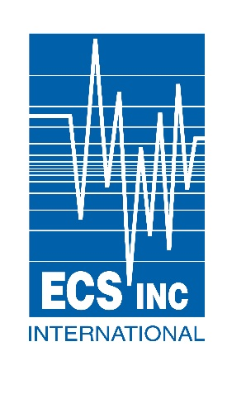

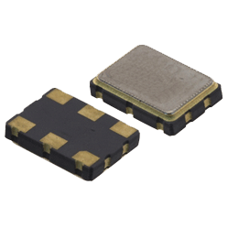
 |  |  |  | VCXO PART NUMBER BUILDER

 | Step # 1 | Step# 2 |  | Step# 3 |  | Step# 4 | Step# 5 | Step# 6 | Step# 7 | Step# 8
 | Select Oscillator Type | Select RF Output |  | Select Operating Voltage |  | Select Package Size | Stability | Pull Range | Operating Temp. | Enter Frequency 600 = 600.0000(MHz)
 |  |  |  |  |  |  |  |  |  | 156.250

Part Number Result: |  |  | ECXV-H37B1N |  | 156.250

ECXV-H DATASHEET
ECXV-L DATA SHEET
ECXV-P DATA SHEET

NOTES

